Mind Maps
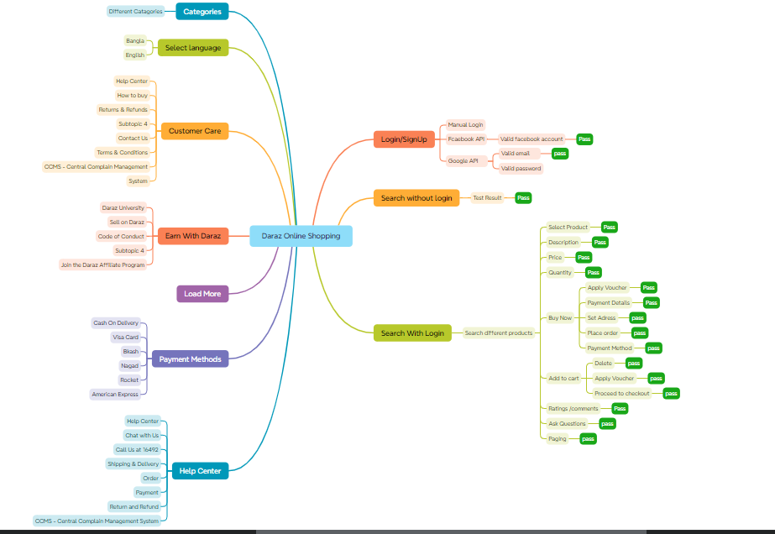

Report
Test Case Report
Project Name | Daraz Online Shopping
Module Name | Sign Up and Sign In |  |  | Total No. | Status
Written By | Dhruba Nandi |  |  | 46 | PASS
Executed By | Dhruba Nandi |  |  | 3 | FAIL
TEST EXECUTION REPORT
Test Case Report
Test Case | PASS | FAIL | Total TC
 | 46 | 3 | 49
Grand Total | 46 | 3 | 49

